Netwrap Calculator

Netwrap Brand Comparison

John Deere | Bale Tuff | Cordex All Brands

Bale Height (inches)

John Deere | Bale Tuff | Cordex All Brands
72 | 72 | 72 | Manufacturer's Suggested Wraps/ Bale

 |  |  | John Deere | Bale Tuff | Cordex All Brands
Netwrap Width |  |  | 2.00 | 2.50 | 3.25

John Deere | Bale Tuff | Cordex All Brands
67 | 67 | 67 | Number of netwrap rolls needed

 |  |  | John Deere | Bale Tuff | Cordex All Brands
Stated length of each roll of netwrap |  |  | 6 | 15 | 19

John Deere | Bale Tuff | Cordex All Brands
13200 | 7000 | 7000 | Number of round bales per roll

 |  |  | John Deere | Bale Tuff | Cordex All Brands
Number of bales per season |  |  | 318 | 135 | 104

John Deere | Bale Tuff | Cordex All Brands
2000 | 2000 | 2000 | Feet of netwrap needed per bale

6 |  |  | John Deere | Bale Tuff | Cordex All Brands
Weight of 1 roll of netwrap (lbs) |  |  | 41 | 52 | 67

John Deere | Bale Tuff | Cordex All Brands
90 | 130 | 82 | Netwrap cost per bale

 |  |  | John Deere | Bale Tuff | Cordex All Brands
Crop Type Baled |  |  | $1.41 | $1.48 | $2.12

John Deere | Bale Tuff | Cordex All Brands
Grass Hay | Grass Hay | Grass Hay | Cost per foot of netwrap

 |  |  | John Deere | Bale Tuff | Cordex All Brands
Difference in Actual Wraps Used |  |  | $0.034 | $0.029 | $0.031

John Deere | Bale Tuff | Cordex All Brands
0.00 | 0.00 | 0.00 | Netwrap season cost

 |  |  | John Deere | Bale Tuff | Cordex All Brands
% Roll Length Shortage |  |  | $2,830 | $2,963 | $4,231

John Deere | Bale Tuff | Cordex All Brands
0% | 0% | 0% | Total weight of rolls/ season(lbs)

3.00 |  |  | John Deere | Bale Tuff | Cordex All Brands
Netwrap cost per roll |  |  | 566 | 1926 | 1577

John Deere | Bale Tuff | Cordex All Brands
$450 | $200 | $220 | Salesperson | Direct Line | Email

190 |  |  | Name | 555-555-5555 | john@tama-usa.com

20.7 | 20.7 | 20.7

41.5 | 51.8 | 67.4

Dealer Twine Cost Comparison
DEALER Twine Cost Comparison Calculator

Twine # 1 Name | T & H Packaging | Twine # 1 Name | JD Impax 4730/ 450

Twine Length (ft.) | 4,000 | Twine Length (ft.) | 4,730

Twine Knot Strength (lbs.) | 440 | Twine Knot Strength (lbs.) | 450

Number of Spools per Pallet | 48 | Number of Spools per Pallet | 48

Base Price per Spool (USD) | $40.21 | Base Price per Spool (USD) | $44.92

Early Order Discount % or LID % | 7% | Early Order Discount % or LID % | 7%

Cash Discount % | 7% | Cash Discount % | 7%

Special Rebates (USD) | $0.00 | Special Rebates (USD) | $0.00

Freight Charges (USD) | $0.00 | Freight Charges (USD) | $0.00

Number of Pallets Needed | 47.30 | Number of Pallets Needed | 40

Net Total Spool Cost/Year | $78,511.79 | Net Total Spool Cost/Year | $74,171.90

Net Cost per Spool (USD) | $34.58 | Net Cost per Spool (USD) | $38.63

Net Cost per Spool w/Freight | $34.58 | Net Cost per Spool w/Freight | $38.63

Net Cost per Foot (USD) | $0.0086 | Net Cost per Foot (USD) | $0.0082
OR |  | OR
Net Cost per 1,000' (USD) | $8.65 | Net Cost per 1,000' (USD) | $8.17

Net Cost per Pallet (USD) | $1,659.87 | Net Cost per Pallet (USD) | $1,854.30

Retail Pricing |  | Retail Pricing

Margin % | 15% | Margin % | 15%

Retail Price per Spool | $39.77 | Retail Price per Spool | $44.43

Retail Price per Foot (USD) | $0.0099 | Retail Price per Foot (USD) | $0.0094

Retail Price per 1,000' (USD) | $9.94 | Retail Price per 1,000' (USD) | $9.39

Retail Price per Pallet | $1,908.85 | Retail Price per Pallet | $2,132.44

****The boxed cells are fillable**** |  | ****The boxed cells are fillable****

End User Twine Cost Comparison
*Enter information on previous tab*

END USER Twine Cost Comparison Calculator

Twine # 1 Name | T & H Packaging | Twine # 2 Name | JD Impax 4730/ 450

Twine Spool Length (ft.) | 4,000 | Twine Spool Length (ft.) | 4,730

Twine Knot Strength (lbs.) | 440 | Twine Knot Strength (lbs.) | 450

Number of Spools per Pallet | 48 | Number of Spools per Pallet | 48

Price per Spool (USD) | $39.77 | Price per Spool (USD) | $44.43

Cost per Foot (USD) | $0.0099 | Cost per Foot (USD) | $0.0094
OR |  | OR
Cost per 1,000' (USD) | $9.94 | Cost per 1,000' (USD) | $9.39

Number of Knotters per Baler | 6 | Number of Knotters per Baler | 6 | (3X3 = 4) (3X4 = 6 or 8) (4X4 = 6)

Length of Twine per Knotter (ft.) | 22.4 | Length of twine per Knotter (ft.) | 22.4 | (3X3 & 3X4 = 22.4') (4X4 = 24.4')

Number of Bales/ Season | 10,000 | Number of Bales/ Season | 10,000

Length of Twine per Square Bale | 134.4 | Length of Twine per Square Bale | 134.4

Twine Cost per Square Bale | $1.34 | Twine Cost per Square Bale | $1.26

Number of Spools Needed | 336 | Number of Spools Needed | 284

Total Season Twine Cost | $13,361.94 | Total Season Twine Cost | $12,623.34
Rounded Up Number of Pallets Needed for the Season | 7 | Rounded Up Number of Pallets Needed for the Season | 6

Cost for Rounded Up # of Pallets | $13,361.94 | Cost for Rounded Up # of Pallets | $12,794.65

****The boxed cells are fillable**** |  | ****The boxed cells are fillable****

Impax Transport Savings
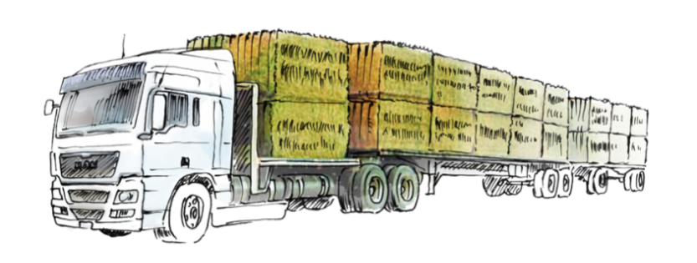
Bale target | Cordex 4000/ 550 | John Deere IMPAX HD 4800/ 700
Height of bale (inches) | 36 | 36
Length of bale (inches) | 96 | 96
Width of bale (inches) | 48 | 48
Density (lbs/ft3) | 96 | 105.6
Weight per bale (lbs) | 900 | 990

Bales transportation | Cordex 4000/ 550 | John Deere IMPAX HD 4800/ 700
Weight of forage per year (T) | 4500 | 4500
Bales per truckload | 48 | 48
Transport cost per mile | $3.50 | $3.50
Transport miles per round trip | 50 | 50
Enter Data in White Cells Only
Comparison | Cordex 4000/ 550 | John Deere IMPAX HD 4800/ 700
Bales per year | 10000 | 9091
Trucks per year | 208 | 189
Net weight per truck (lbs) | 43200 | 47520
Total transport cost | $36,458.33 | $33,143.94

By choosing IMPAX, you'll need 19 trucks less per year and you'll save $3314.4 on transport cost

